Assignment
Login | Login Authentication
 | 1. Class LoginAction.java
 | Properties : loginBean
 | Method execute
 | Create a Login JSP page. Take input of the login credentials and call this action on the POST of this form.
 | Call validateUser method of LoginLogic
 | Redirect to success.jsp if user exists otherwise login.jsp will be displayed with respective error message.

 | 2. Class LoginLogic.java
 | Method validateUser
 | Connects to database using connect method from DbLogic Class, validate the user and return true if user exists otherwise false
 | Note: Create separate Connection class for database connection as described in Common Package

 | 3. Class LoginBean.java
 | Properties: userName, password
 | Setter and Getter of userName and password

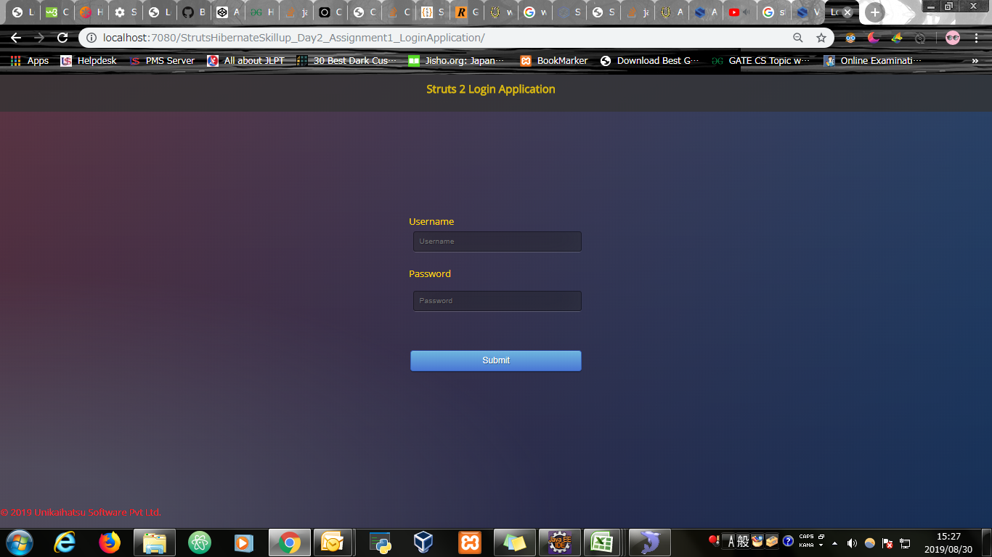
Input Screen


Input Screen with value entered

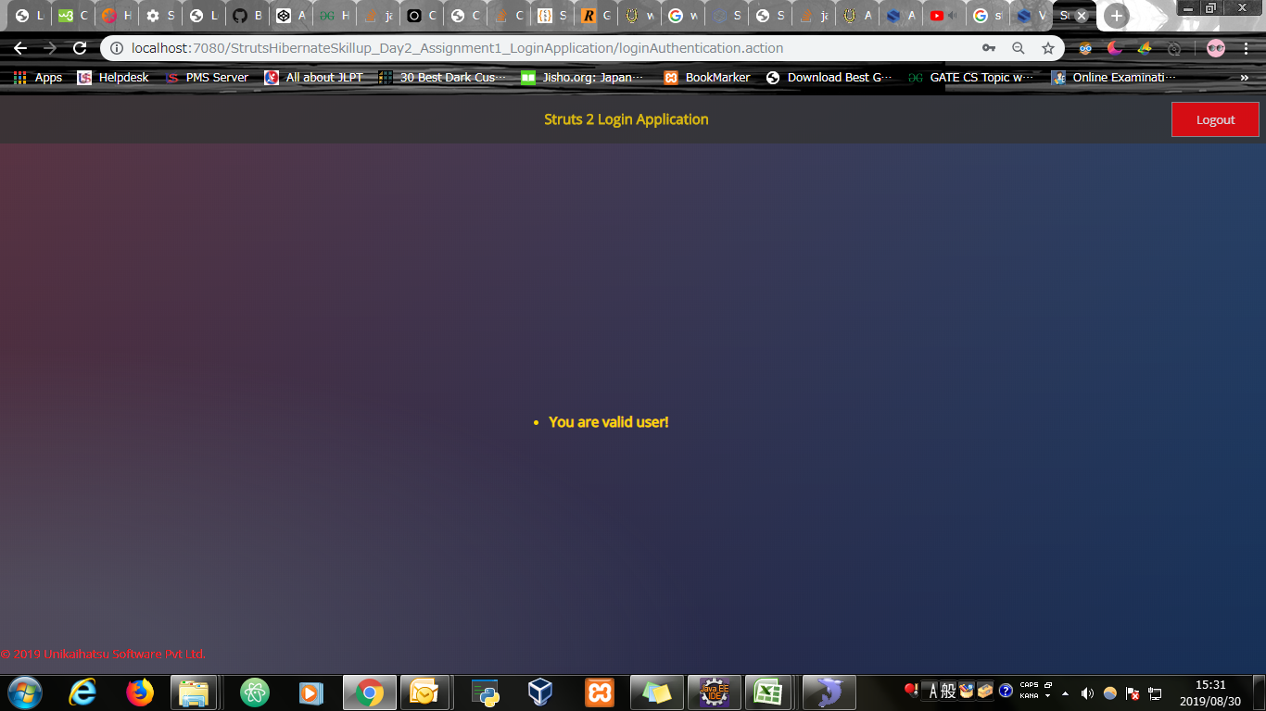
Output Screen

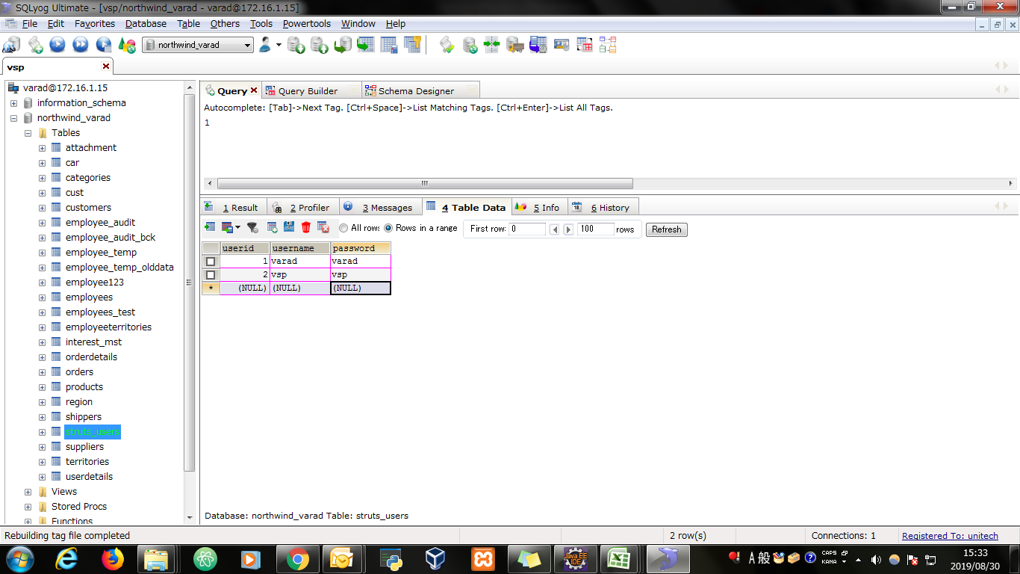
Database

Evidence
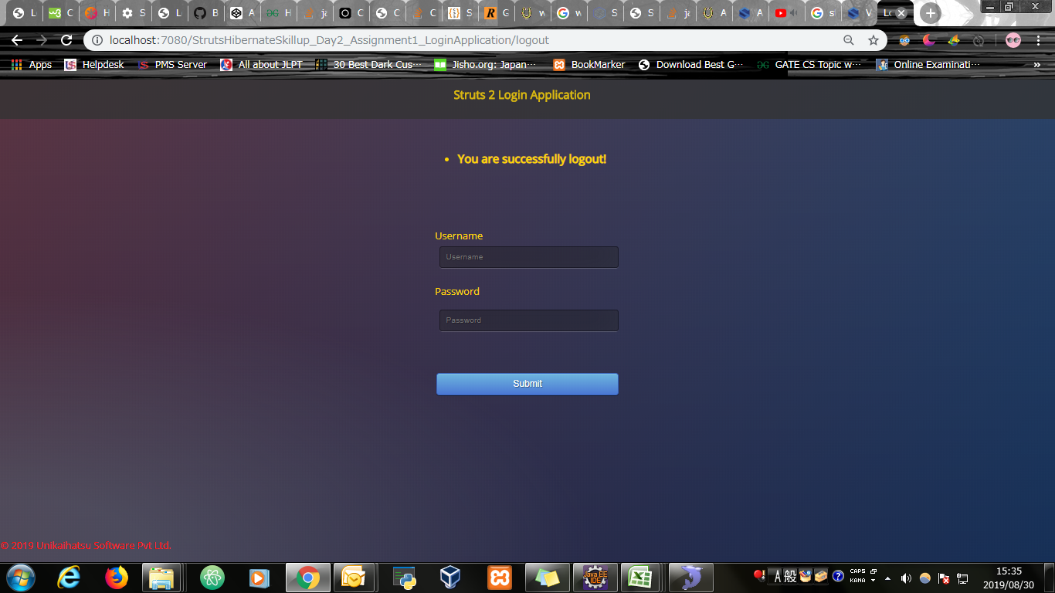
Screen shoot 1: | Page Load

Screen shoot 2: | Error Message



Screen shoot 3: | Success message

Screen shoot 4: | Logout Message

